Sheet1
From 2018-5-013 to 2019-02-28 | Total counts | No Rated | Explicit | Mature | Teen up | Gen
带肖战的角色Tag（剔除CP Tag） | 236 | 75 | 48 | 63 | 22 | 28 | link:https://archiveofourown.org/works?utf8=%E2%9C%93&work_search%5Bsort_column%5D=revised_at&work_search%5Bother_tag_names%5D=&exclude_work_search%5Brelationship_ids%5D%5B%5D=33324988&exclude_work_search%5Brelationship_ids%5D%5B%5D=35271320&exclude_work_search%5Brelationship_ids%5D%5B%5D=36722701&exclude_work_search%5Brelationship_ids%5D%5B%5D=37309495&exclude_work_search%5Brelationship_ids%5D%5B%5D=38165329&exclude_work_search%5Brelationship_ids%5D%5B%5D=38328160&exclude_work_search%5Brelationship_ids%5D%5B%5D=39497722&exclude_work_search%5Brelationship_ids%5D%5B%5D=39636094&exclude_work_search%5Brelationship_ids%5D%5B%5D=39826813&work_search%5Bexcluded_tag_names%5D=&work_search%5Bcrossover%5D=&work_search%5Bcomplete%5D=&work_search%5Bwords_from%5D=&work_search%5Bwords_to%5D=&work_search%5Bdate_from%5D=2018-10-1&work_search%5Bdate_to%5D=2020-02-26&work_search%5Bquery%5D=&work_search%5Blanguage_id%5D=zh&commit=Sort+and+Filter&tag_id=Xiao+Zhan
带肖战的CP Tag | 1551 | 365 | 416 | 455 | 176 | 139 | link:https://archiveofourown.org/works/search?utf8=%E2%9C%93&work_search%5Bquery%5D=&work_search%5Btitle%5D=&work_search%5Bcreators%5D=&work_search%5Brevised_at%5D=18-673days&work_search%5Bcomplete%5D=&work_search%5Bcrossover%5D=&work_search%5Bsingle_chapter%5D=0&work_search%5Bword_count%5D=&work_search%5Blanguage_id%5D=&work_search%5Bfandom_names%5D=&work_search%5Brating_ids%5D=&work_search%5Bcharacter_names%5D=&work_search%5Brelationship_names%5D=xiao+zhan&work_search%5Bfreeform_names%5D=&work_search%5Bhits%5D=&work_search%5Bkudos_count%5D=&work_search%5Bcomments_count%5D=&work_search%5Bbookmarks_count%5D=&work_search%5Bsort_column%5D=revised_at&work_search%5Bsort_direction%5D=asc&commit=Search
总数 | 1787 | 440 | 464 | 518 | 198 | 167
Rating % Total |  | 24.62% | 25.97% | 28.99% | 11.08% | 9.35%
Works in Chinese | 1421 | 385 | 372 | 450 | 117 | 97
 |  | 27.09% | 26.18% | 31.67% | 8.23% | 6.83%
Works not in Chinese | 366 | 55 | 92 | 68 | 81 | 70
not in Chinese % Total | 20.48% | 12.50% | 19.83% | 13.13% | 40.91% | 41.92%
肖战相关同人与全站中文同人分级对比
All works | 2054873 | 259060 | 336751 | 340077 | 587142 | 531843
Rating % Total |  | 12.61% | 16.39% | 16.55% | 28.57% | 25.88%
Works in Chinese | 203325 | 55693 | 39442 | 70403 | 17992 | 19795
Rating % Chinese Work |  | 27.39% | 19.40% | 34.63% | 8.85% | 9.74%
Works not in Chinese | 1851548 | 203367 | 297309 | 269674 | 569150 | 512048
Rating % not Chinese Work |  | 10.98% | 16.06% | 14.56% | 30.74% | 27.66%
肖战相关同人中的非中文同人比例
XZ's works in Chinese % Other Works in Chinese | 0.76% | 0.66% | 1.05% | 0.65% | 0.98% | 0.70%

肖战相关同人与全AO3同人分级对比图

肖战中文同人作品在全AO3中文同人作品中的占比

全AO3同人分级分布

Sheet2
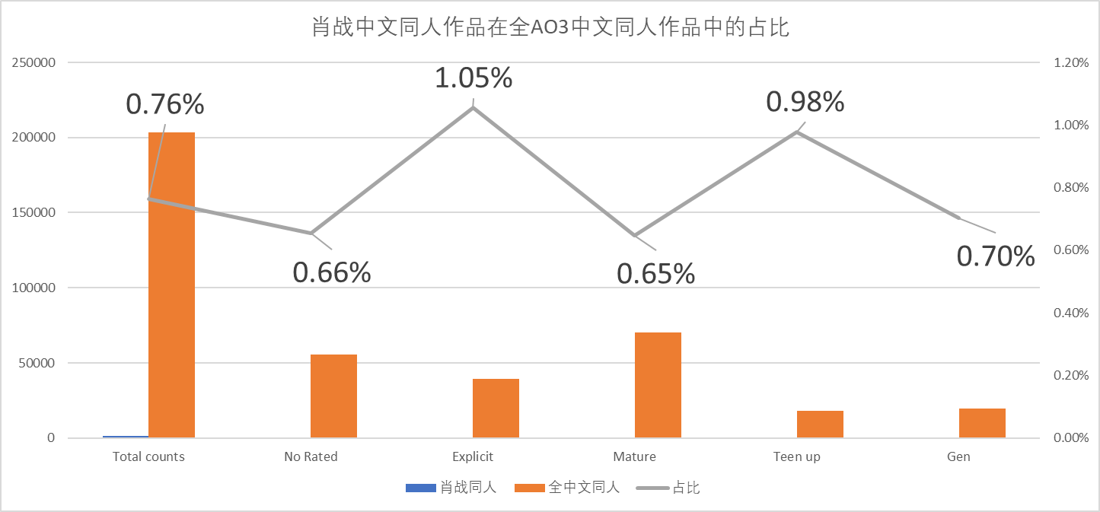
肖战相关同人分级分布
No Rated | 440
Explicit | 464
Mature | 518
Teen up | 198
Gen | 167
肖战中文同人作品在全AO3中文同人作品中的占比
 | 肖战同人 | 全中文同人 | 占比
Total counts | 1551 | 203325 | 0.76%
No Rated | 365 | 55693 | 0.66%
Explicit | 416 | 39442 | 1.05%
Mature | 455 | 70403 | 0.65%
Teen up | 176 | 17992 | 0.98%
Gen | 139 | 19795 | 0.70%

肖战相关同人中的非中文同人比例
 | 总数 | 非中文同人数 | 非中文同人占比
Total counts | 1787 | 366 | 20.48%
No Rated | 440 | 55 | 12.50%
Explicit | 464 | 92 | 19.83%
Mature | 518 | 68 | 13.13%
Teen up | 198 | 81 | 40.91%
Gen | 167 | 70 | 41.92%

肖战相关同人与全站中文同人分级对比
 | 肖战中文同人 | 全站中文同人
No Rated | 27.09% | 27.39%
Explicit | 26.18% | 19.40%
Mature | 31.67% | 34.63%
Teen up | 8.23% | 8.85%
Gen | 6.83% | 9.74%

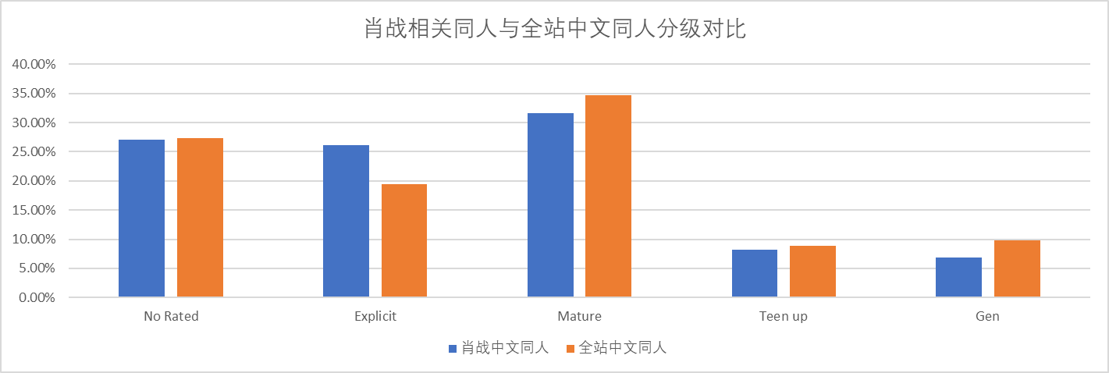

肖战中文同人作品在全AO3中文同人作品中的占比
 | 肖战同人 | 全中文同人 | 占比
Total counts | 1551 | 203325 | 0.76%
No Rated | 365 | 55693 | 0.66%
Explicit | 416 | 39442 | 1.05%
Mature | 455 | 70403 | 0.65%
Teen up | 176 | 17992 | 0.98%
Gen | 139 | 19795 | 0.70%

